After Cooler
ALTERNATOR DELIVERY AND
RECEIVING INSPECTION CHECKSHEET

JOB NUMBER |  |  | PART NAME |  |  | STARTING MOTOR |  | DOCUMENT NO. |  |  | RC/QR06/EG/20/01
ENGINE MODEL |  | 6D170 SERIES | PART NUMBER |  |  |  |  | PUBL. DATE
ENGINE S/N |  |  | START DATE/TIME |  |  |  |  | REVISION NO. |  |  | 00
MACHINE MODEL |  |  | FINISH DATE/TIME |  |  |  |  | PAGE |  |  | 1 of 1

SKETCH DRAWING

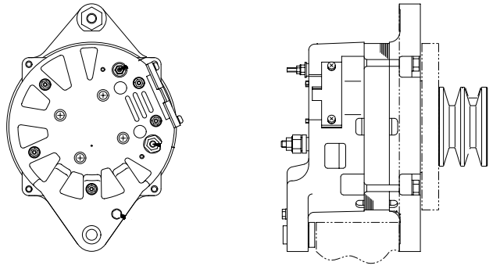
 |  |  |  | VISUAL CHECK |  |  |  | MEC |  |  | QA
 |  |  |  |  |  |  |  | OK | NO |  | OK | NO
 |  |  |  | FREE CORROSION AND DIRT
 |  |  |  | CRACK HAS BEEN CHECKED
 |  |  |  | SHAFT ROTATES SMOOTLY
 |  |  |  | SPECIFICATION (24V,90 A)
 |  |  |  | PULLEY

 |  |  |  | MAN HOURS UTILIZATION
 |  |  |  | PROCESS |  |  | START | FINISH |  | MAN HOURS
 |  |  |  | Inspection
 |  |  |  | TOTAL

 |  |  |  | Physical Data
 |  |  |  | No | Part Number |  | Part Name |  | Qty | New |  | Reuse
 |  |  |  | 1
 |  |  |  | 2
 |  |  |  | 3
 |  |  |  | 4

RECEIVING INSPECTION COMMENT :

 | DELIVERY BY SUB ASS'Y SECTION |  |  |  |  | RECEIVING INSPECTION BY MAIN ASS'Y
 | FINISH ASSEMBLY DATE : |  |  |  |  | INSPECTION DATE :
 | MECHANIC NAME : |  |  |  |  | MECHANIC NAME :
 | SIGN |  |  |  |  | SIGN

 | Note : New Alternator & after finishing can be directly Aprroved by Quality Assurance (QA)

